Sheet1
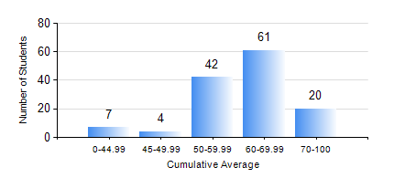
 |  |  | KWAME NKRUMAH UNIVERSITY OF SCIENCE AND TECHNOLOGY, KUMASI Department of Mechanical Engineering

 |  |  | BSC. INDUSTRIAL ENG.

 |  |  | COMPREHENSIVE RECORD OF EXAMINATION RESULTS

 |  |  | RESULTS OF YEAR 1 SECOND SEMESTER, 2021/2022 ACADEMIC YEAR

 | Sn | Course Code |  | Course Name | Credit Hours | Min. Mark | Max. Mark | Avg. Mark | Std. Dev. | No. Passed | No. Trailed | No. (Df) | No. (I) | No. (I*) | No. Tagged(I,I*,Df) | Total
 | 1. | EE 152 |  | BASIC ELECTRONICS | 2 | 18 | 90 | 65 | 10.14 | 133 | 1 | 0 | 0 | 0 | 0 | 134
 | 2. | ENGL 158 |  | COMMUNICATION SKILLS II | 2 | 36 | 85 | 67 | 8.46 | 133 | 1 | 0 | 0 | 0 | 0 | 134
 | 3. | IE 174 |  | FIRST YEAR DESIGN PROJECT | 2 | 50 | 80 | 65 | 7.3 | 134 | 0 | 0 | 0 | 0 | 0 | 134
 | 4. | MATH 152 |  | CALCULUS WITH ANALYSIS | 4 | 29 | 83 | 70 | 7.74 | 132 | 2 | 0 | 0 | 0 | 0 | 134
 | 5. | ME 160 |  | ENGINEERING DRAWING | 3 | 40 | 78 | 60 | 10.32 | 134 | 0 | 0 | 0 | 0 | 0 | 134
 | 6. | ME 164 |  | STATICS OF SOLID MECHANICS | 2 | 18 | 84 | 56 | 13.24 | 126 | 8 | 0 | 0 | 0 | 0 | 134
 | 7. | ME 168 |  | COMPUTER PROGRAMMING FOR ENGINEERS | 2 | 5 | 91 | 58 | 18.43 | 125 | 9 | 0 | 0 | 0 | 0 | 134

